DSP (Alcohol)
DATE | INV NO. | DESCRIPTIONS | QTY | PRICE | DISCOUNT | UNIT PRICE | SUBTOTAL | TOTAL | BILL
3-Jan-2026 | SOMDG/DSP/26/01/0013 | MDG - F VODKA | 3 | IDR 246,000 | IDR - | IDR 246,000 | IDR 738,000 | IDR 738,000 | 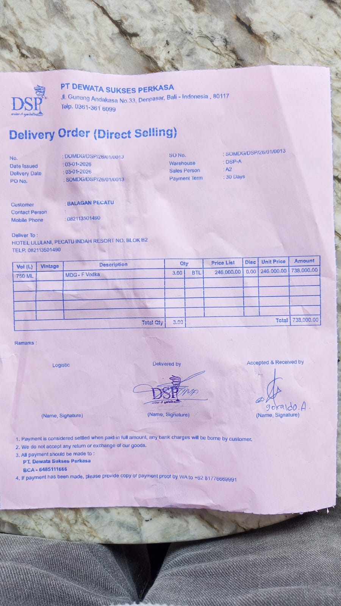
14-Jan-2026 | SOMDG/DSP/26/01/0014 | MDG - F VODKA | 3 | IDR 246,000 |  | IDR 246,000 | IDR 738,000 | IDR 738,000 | 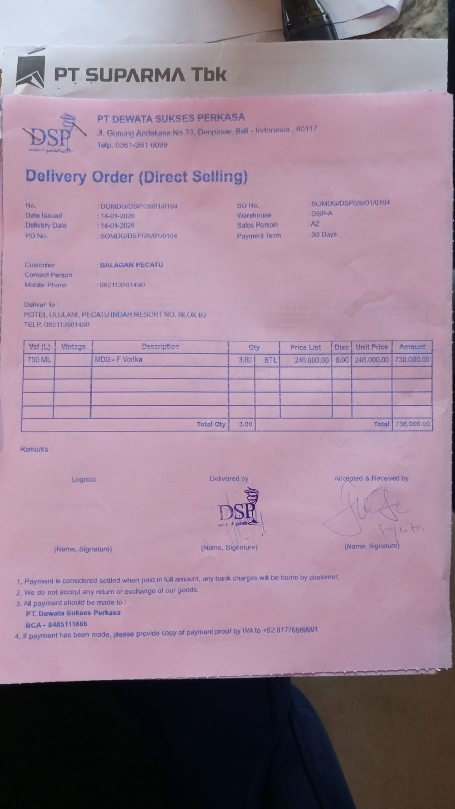
15-Jan-2026 | SO/DSP/26/01/1082 | DA VINCI LEONARDO PROSECCO DOC | 5 | IDR 370,000 | IDR 37,000 | IDR 333,000 | IDR 1,665,000 | IDR 1,980,000 | 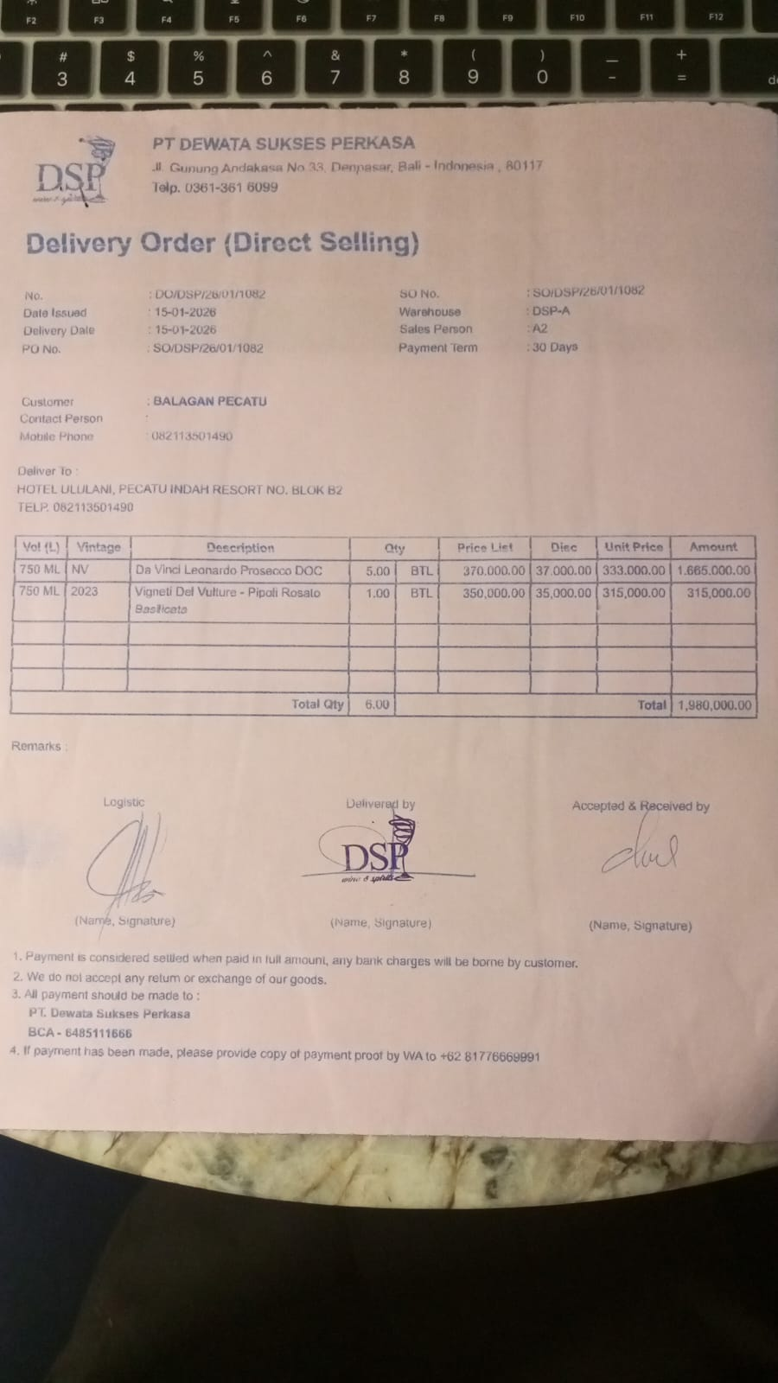
 |  | VIGNETI DEL VULTURE - PIPOLI ROSATO BASILICATA | 1 | IDR 350,000 | IDR 35,000 | IDR 315,000 | IDR 315,000
26-Jan-2026 | SO/DSP/26/01/1646 | MCGUIGAN - BLACK LABEL SAUVIGNON BLANC | 3 | IDR 295,000 | IDR 29,500 | IDR 265,500 | IDR 796,500 | IDR 796,500 | 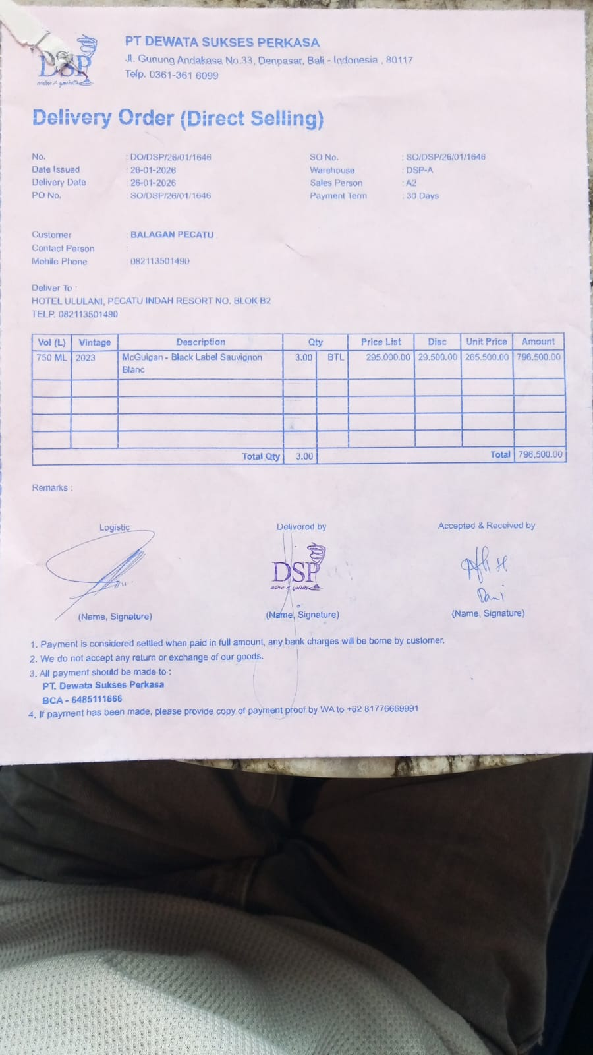
27-Jan-2026 | SO/DSP/26/01/1722 | HUNTER'S PINOT GRIS | 3 | IDR 385,000 | IDR 38,500 | IDR 346,500 | IDR 1,039,500 | IDR 1,039,500 | 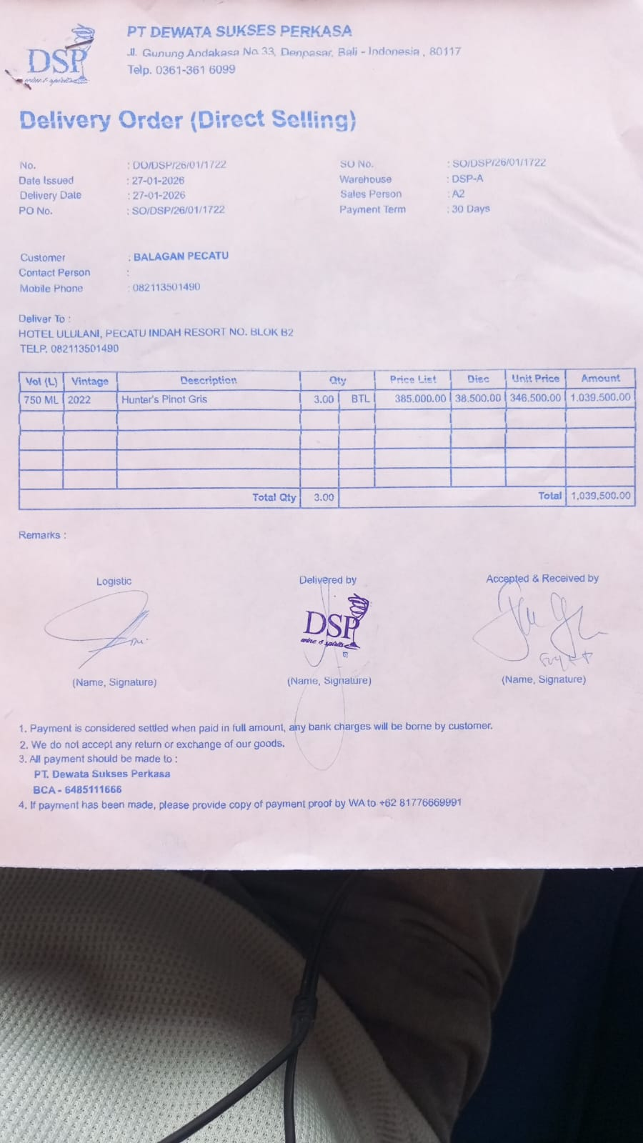
30-Jan-2026 | SO/DSP/26/01/1916 | MCGUIGAN - BLACK LABEL SAUVIGNON BLANC | 4 | IDR 295,000 | IDR 29,500 | IDR 265,500 | IDR 1,062,000 | IDR 1,062,000 | 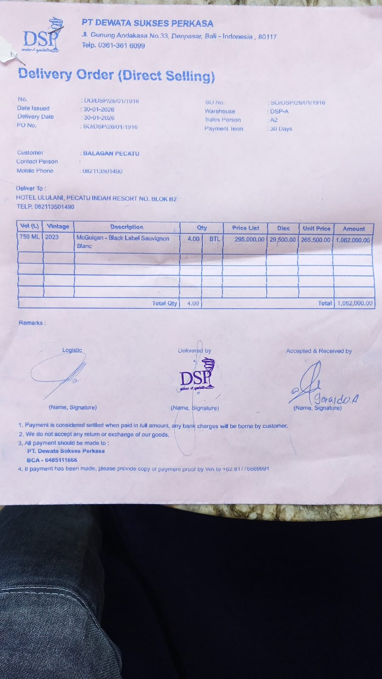
 |  |  |  |  | IDR - | IDR - | Rp- | Rp-
 |  |  |  |  | IDR - | IDR - | Rp- | Rp-
 |  |  |  |  | IDR - | IDR - | Rp- | Rp-
 |  |  |  |  | IDR - | IDR - | Rp- | Rp-
 |  |  |  |  | IDR - | IDR - | Rp- | Rp-
 |  |  |  |  | IDR - | IDR - | Rp- | Rp-
 |  |  |  |  | IDR - | IDR - | Rp- | Rp-
TOTAL |  |  |  |  | Rp6,354,000

